Sheet1
Receipt

Kalsim Technologies |  |  | DATE: | 10/8/25
263773904872 |  |  | RECEIPT # | 20252941

FROM |  | TO
Mhanyame Primary School |  | KALSIM TECHNOLLOGIES
Chinhoyi

TERMS | Cash
DUE | N/a

Description |  |  | Quantity | Price | Amount

Zig Compliance, Data Migration, Term Licence |  |  | 1.00 | $250.00 | $200.00
Support

 |  |  |  | Subtotal | $200.00
 |  |  |  | Tax Rate | 0.000%
 |  |  |  | Total Tax | $-
 |  |  | BALANCE DUE |  | $200.00

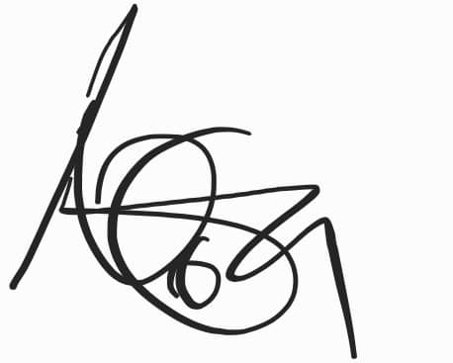
Two hundred dollars only
Notes
Thank you

